Sheet1
Factor | Subfactor | Indicador | Índice / Serie | Fuente principal | Frecuencia | Asset Class | Nivel de agregación
Macro & Fundamentals | Macro-Ciclo Real | PMI Manufacturero US (nivel, Î”m/m) | ISM Manufacturing PMI (NAPMPMI Index) | Bloomberg / ISM | Mensual (con actualización puntual en publicación) | Cross-asset | País (US)
Macro & Fundamentals | Macro-Ciclo Real | PMI Manufacturero Global | S&P Global Manufacturing PMI | Bloomberg / S&P Global | Mensual | Cross-asset | Global / Región
Macro & Fundamentals | Macro-Surprises | Economic Surprise Index US | Bloomberg U.S. Economic Surprise Index | Bloomberg | Diario | Cross-asset | País/Región
Macro & Fundamentals | Earnings Level & Growth | EPS growth agregado US | MSCI USA Index earnings aggregates | Bloomberg / MSCI | Trimestral (rolling) | Equity | Región / Sector
Macro & Fundamentals | Earnings Surprise | Beat/Miss ratio por sector | Earnings surprise aggregates | Bloomberg / IBES | Trimestral (temporadas) | Equity | Sector / Región
Macro & Fundamentals | Fundamentals de Crédito | Leverage medio y cobertura | Agregados por índice ICE BofA US Corp | Bloomberg / ICE / FRED (spreads) | Trimestral / Anual | Crédito IG US | Sector / Rating
Momentum | Price Trend | Retornos 1M/3M/6M/12M | NDUEACWF (ACWI sintético), MSCI USA, MSCI EM | Bloomberg / MSCI | Diario (cálculo interno) | Equity | Global / Región / Sector
Momentum | Moving Averages | Distancia a MA 50/200d | NDUEACWF, sector ETFs | Bloomberg | Diario | Equity / Crédito | Índice / ETF
Momentum | Breakouts & Crossovers | High/Low 3M/6M, golden cross | NDUEACWF, ICE BofA US Corp index level | Bloomberg / ICE | Diario | Equity / Crédito | Índice
Momentum | Technical Overbought | RSI 14d | NDUEACWF, MSCI USA, ETFs crédito | Bloomberg | Diario | Equity / Crédito | Índice
Sentiment & Liquidity | Survey Sentiment | Net equity overweight, cash levels | BofA FMS, AAII | Vendor propietario / Bloomberg | Mensual / Semanal | Cross-asset | Global
Sentiment & Liquidity | Market-Implied | VIX, MOVE | VIX (INDEXCBOE), MOVE (ICE) | Bloomberg / CBOE / ICE | Intradía / Diario | Cross-asset | Global
Sentiment & Liquidity | Fund Flows | Flujos a fondos equity/bonos | EPFR fund flow indices | Vendor / Bloomberg | Semanal | Equity / Crédito | Región / Asset Class
Sentiment & Liquidity | Positioning | CoT net positions | CFTC CoT futures data | CFTC / Bloomberg | Semanal | Equity / Rates / Crédito | Índice / Futuro
Sentiment & Liquidity | Funding & Liquidity | TED spread, FRA-OIS | TED spread series, FRA-OIS | FRED / Bloomberg | Diario | Cross-asset | US funding
Valuation & Carry | Equity Valuation Cross-Asset | ERP US, DM, EM | MSCI USA/Europe/EM earnings yield â€“ UST real 10y | Bloomberg / MSCI / FRED | Mensual | Equity vs Rates | Región
Valuation & Carry | Equity Valuation Intra-Asset | P/E, P/B, CAPE | MSCI regional & sector indices | Bloomberg / MSCI | Mensual | Equity | Región / Sector / Factor
Valuation & Carry | Credit Valuation Cross-Asset | OAS IG, HY, EM vs Treasuries | ICE BofA US Corp OAS (BAMLC0A0CM) y JP Morgan CEMBI OAS | FRED / Bloomberg / JPMorgan | Diario | Crédito vs Rates | Índice
Valuation & Carry | Credit Valuation Intra-Asset | OAS por rating/sector | Subíndices ICE BofA y CEMBI sectoriales | Bloomberg / ICE / JPMorgan | Diario | Crédito | Rating / Sector
Valuation & Carry | Rates Level & Carry | Yields, slope, roll-down | UST yield curve, breakevens, term premium | Bloomberg / FRED | Diario | Rates | Curva por tramo
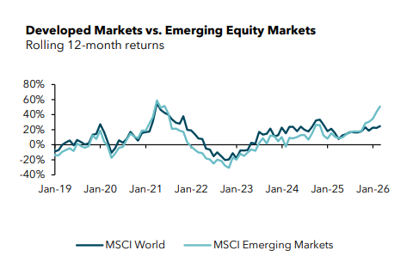

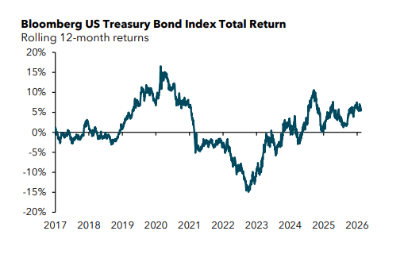
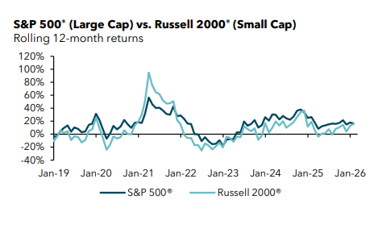

 |  | P/E | Descargar las series / incluir algunos en la presentación
 |  | OAS | IG, HY, EM, LatAm vs Tsy
 |  | OAS | Rating/Sector: HY Enery, IG Financials

 |  | Escoger las series de RV

